Chapter 12 Figures
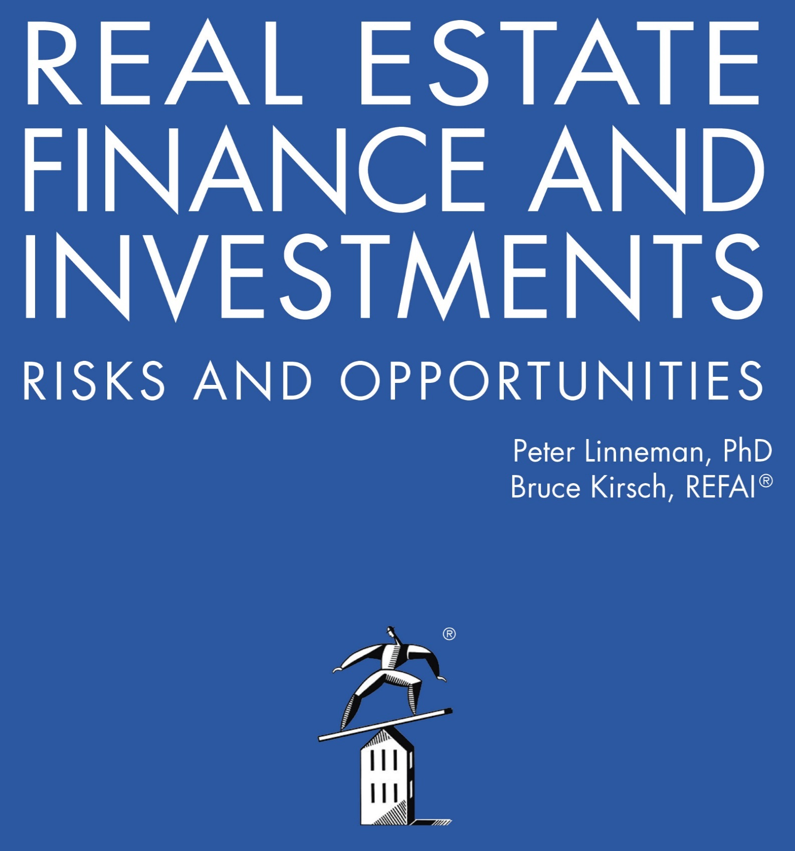

Online Companion to Chapter 12 Figures
Real Estate Company Analysis

2022

