Chapter 17 Figures
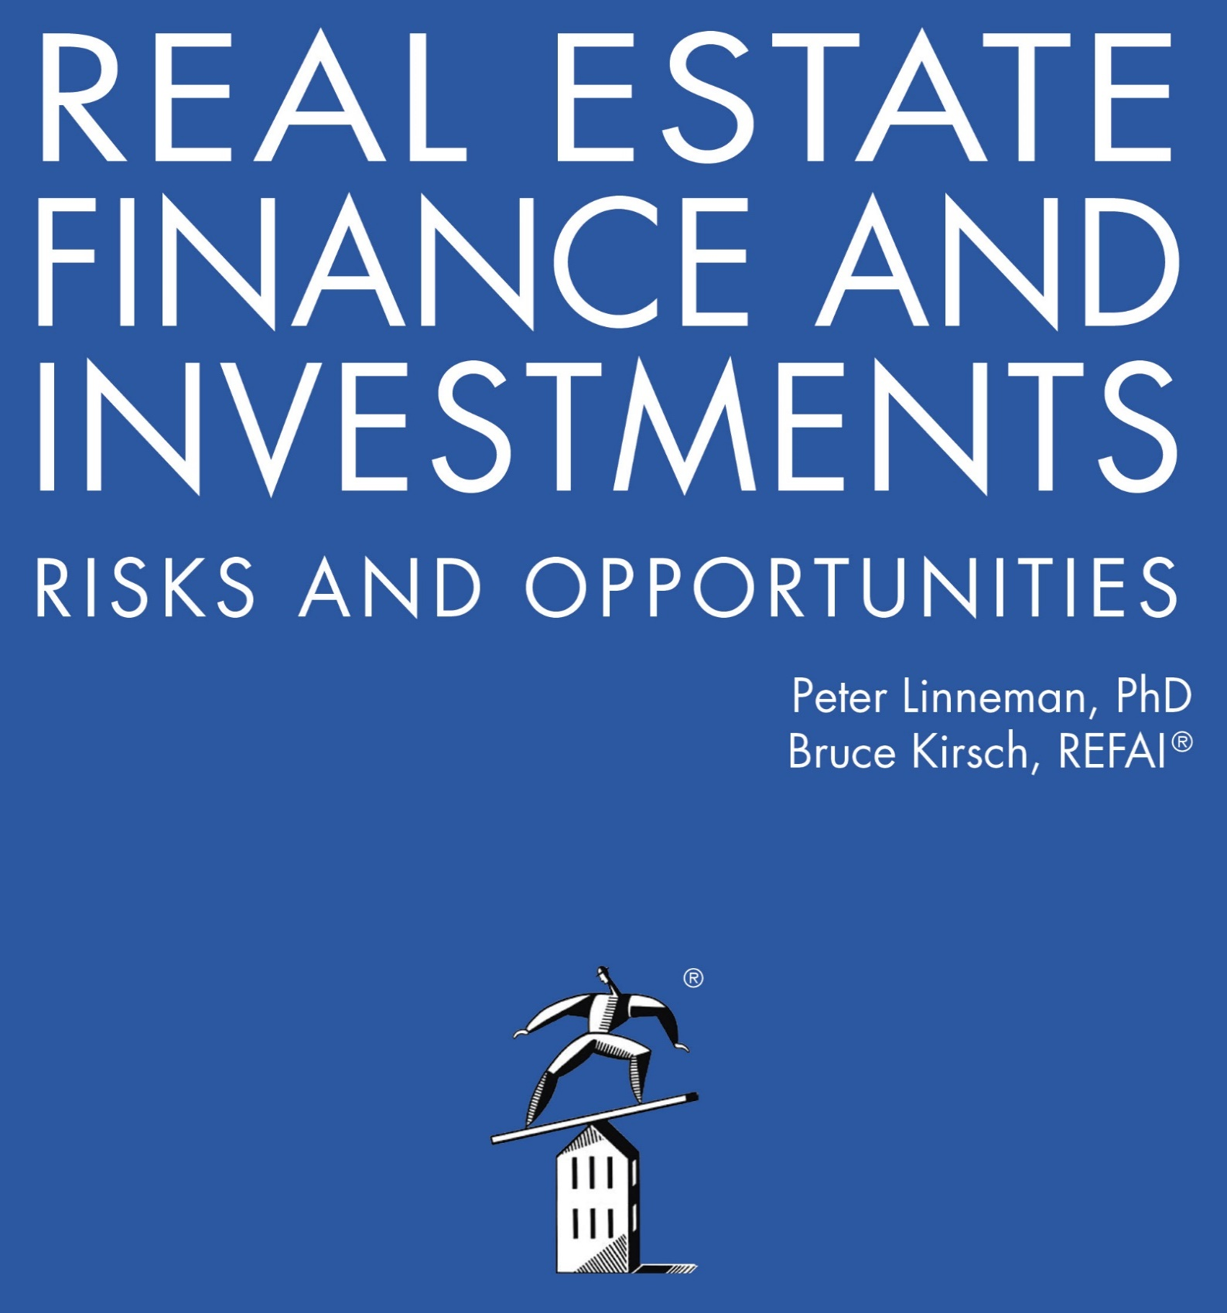

Online Companion to Chapter 17 Figures
Ground Leases as a Source of Finance

2022

