Chapter 18 Figures
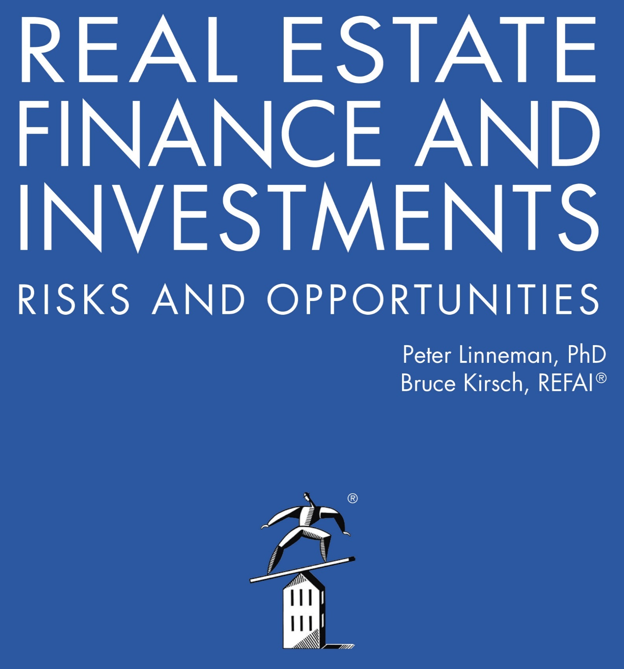

Online Companion to Chapter 18 Figures
Real Estate Owner Exit Strategies

2022

